COVER
ZICOM
 |  |  |  |  |  | CONSORTIUM OF
 |  |  |  |  |  | SINOPEC PETROLEUM ENGINEERING CORPORATION.
 |  |  |  |  |  | AND
 |  |  |  |  |  | ZICOM EQUIPMENT PTE. LTD.
BANGLADESH PETROLEUM EXPLORATION & PRODUCTION CO. LTD.
 |  |  |  |  |  | 29 Tuas Avenue 3 Singapore 639420 |  |  |  | Tel | : +65 6865 1765
 |  |  |  |  |  | E-mail | : zepl@zicomgroup.com |  |  | Fax | : +65 6865 1764

ELECTRICAL DATA SHEET

 |  |  |  |  |  |  |  | Doc. No: | 240-0301-EMEL-DS00-0002

 |  | Job No. |  | : | 240

 |  | Client |  | : | BANGLADESH PETROLEUM EXPLORATION & PRODUCTION CO. LTD.

 |  | Location |  | : | SRIKAIL GAS FIELD, BANGLADESH

 |  | Item No. |  | : | -

 |  | Description |  | : | LOCAL CONTROL STATION

 |  | Project Title. |  | : | 60 MMSCFD GLYCOL DEHYDRATION TYPE GAS PROCESS PLANT

A | 12-May-15 |  | 3 | ISSUED FOR APPROVAL |  |  |  |  |  | AS | MH | VG
Rev. | Date |  | Page | Description of Revision |  |  |  |  |  | Prepared | Checked | Approved

LCS with Selector Sw.
BANGLADESH PETROLEUM EXPLORATION & PRODUCTION CO. LTD.
BANGLADESH PETROLEUM EXPLORATION & PRODUCTION CO. LTD.
 | ELECTRICAL
 | DATA SHEET

USER | BANGLADESH PETROLEUM E&P CO. LTD. |  |  |  | DOC NO | 240-0301-EMEL-DS00-0002
LOCATION | SRIKAIL GAS FIELD,BANGLADESH |  |  |  | NAME | Local Control Station
PROJECT | 60 MMSCFD SILICAGEL DEHYDRATION TYPE GAS PROCESS PLANT |  |  |  | Version | A
JOB NO | 240 |  |  |  | QUANTITY | 22
 | 1 | Tag No. | E-100(1)-LCS, E-100(2)-LCS, E-100(3)-LCS, E-100(4)-LCS,
 |  |  | E-300A(1)-LCS, E-300A(2)-LCS, E-300B(1)-LCS, E-300B(2)-LCS,
 |  |  | E-400A(1)-LCS, E-400A(2)-LCS, E-400B(1)-LCS, E-400B(2)-LCS,
 |  |  | P-800-LCS, CT-100-LCS, P-403-LCS, P-404-LCS, P-300A-LCS,
 |  |  | P-300B-LCS, P-301A-LCS, P-301B-LCS + 2 Nos. Spare
GENERAL | 2 | Quantity | 22
 | 3 | Service | Cooler & Pump
 | 4 | Location | Outdoor
ENCLOSURE SPECIFICATION | 5 | Material Box | GRP |  |  | Stainless Steel
 |  |  | Aluminium Die Cast |  |  | Welded Steel Plate
 | 6 | Protection Cover / Sun Shade | Yes |  | No
 | 7 | Pedestal Stand | Yes |  | No
 | 8 | Stand Height | 1 meter
ELECTRICAL | 9 | Voltage | 230 VAC |  | 110 VAC |  | 24VDC
 | 10 | Current | 10 A
 | 11 | Phase | Single |  | Three
 | 12 | Frequency | 50 Hz
 | 13 | Number of Push Button Switch | 2 (On & Off)
 | 14 | Number of Indication | 2 (Red LED & Green LED)
 | 15 | Selector Switch | 1(Local/Off/Remote)
 | 16 | Terminal Block | 12 (with numbering 1~12)
 | 17 | Ground Terminal Block | 1
PROTECTION | 18 | Protection Degree | IP 65
 | 19 | Explosion Proof Mark | Exd IIB T4
OTHERS | 20 | Installation Type | Hang | Stand
 | 21 | Dimension | VTA
 | 22 | Weight | VTA
 | 23 | Manufacturer | Reputed
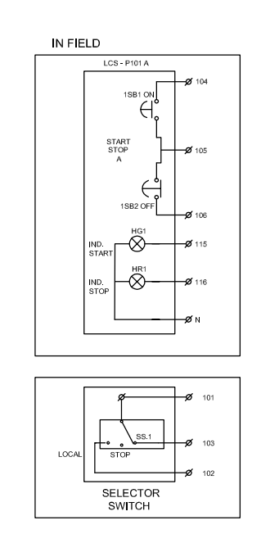
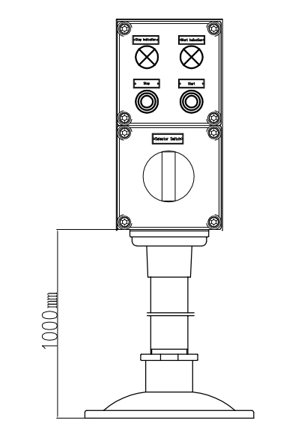

 |  | 2015-12-05

LCS with Selector Switch

LCS without Selector Sw.
BANGLADESH PETROLEUM EXPLORATION & PRODUCTION CO. LTD.
BANGLADESH PETROLEUM EXPLORATION & PRODUCTION CO. LTD.
 | ELECTRICAL
 | DATA SHEET

USER | BANGLADESH PETROLEUM E&P CO. LTD. |  |  |  |  | DOC NO | 240-0301-EMEL-DS00-0002
LOCATION | SRIKAIL GAS FIELD,BANGLADESH |  |  |  |  | NAME | Local Control Station
PROJECT | 60 MMSCFD SILICAGEL DEHYDRATION TYPE GAS PROCESS PLANT |  |  |  |  | Version | A
JOB NO | 240 |  |  |  |  | QUANTITY | 6
 | 1 | Tag No. |  | P-100A-LCS, P-100B-LCS, P-200A-LCS, P-200B-LCS +2 Nos. Spare
GENERAL | 2 | Quantity |  | 6
 | 3 | Service |  | Cooler & Pump
 | 4 | Location |  | Outdoor
ENCLOSURE SPECIFICATION | 5 | Material Box |  | GRP |  |  | Stainless Steel
 |  |  |  | Aluminium Die Cast |  |  | Welded Steel Plate
 | 6 | Protection Cover / Sun Shade |  | Yes |  | No
 | 7 | Pedestal Stand |  | Yes |  | No
 | 8 | Stand Height |  | 1 meter
ELECTRICAL | 9 | Voltage |  | 230 VAC |  | 110 VAC |  | 24VDC
 | 10 | Current |  | 10 A
 | 11 | Phase |  | Single |  | Three
 | 12 | Frequency |  | 50 Hz
 | 13 | Number of Push Button Switch |  | 2 (On & Off)
 | 14 | Number of Indication |  | 2 (Red LED & Green LED)
 | 15 | Selector Switch |  | N/A
 | 16 | Terminal Block |  | 12 (with numbering 1~12)
 | 17 | Ground Terminal Block |  | 1
PROTECTION | 18 | Protection Degree |  | IP 65
 | 19 | Explosion Proof Mark |  | Exd IIB T4
OTHERS | 20 | Installation Type |  | Hang | Stand
 | 21 | Dimension |  | VTA
 | 22 | Weight |  | VTA
 | 23 | Manufacturer |  | Reputed

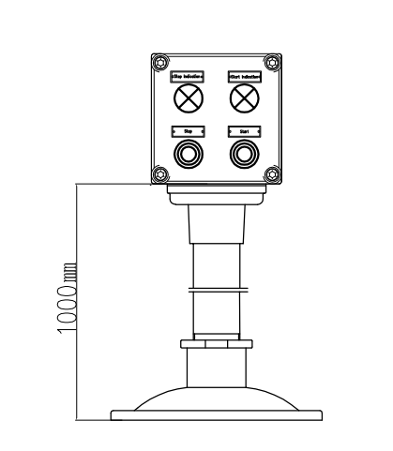
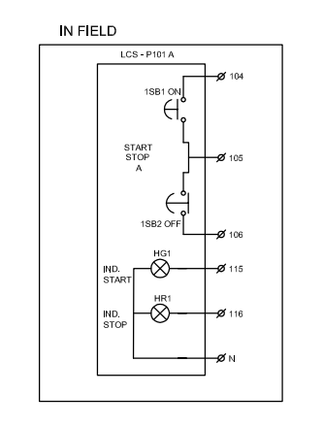

 |  | 2015-12-05 | 3

LCS without Selector Switch

